03.Membeship card and fee
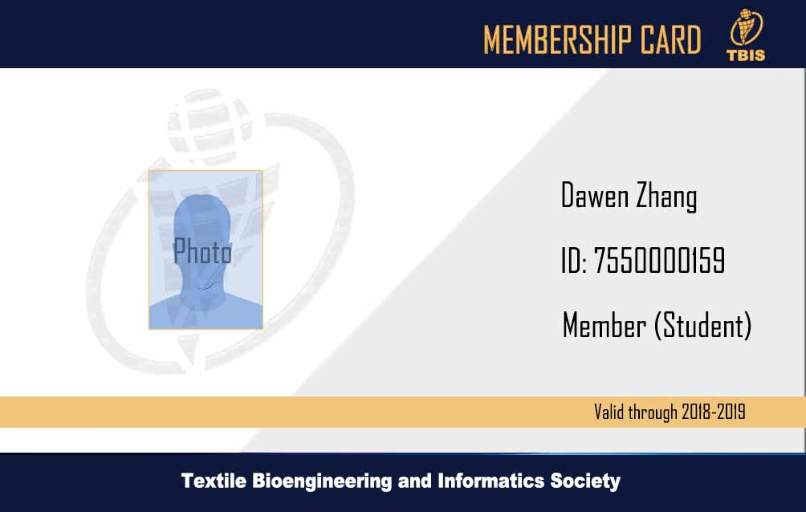

TBIS Membership Fee
Category of Member & fees （类别及会费）
Membership period | Ordinary member | Student member学生会员
会籍有效期 | 普通会员 | Please provide valid Student ID. 请提供有效学生证
2 years | USD 180 | USD35
3 years | USD 260 | USD50
5 years | USD360 | USD100

